BOM
▣ BOM (BILL OF MATERIAL) |  |  |  |  |  |  |  |  |  | Applied Vehicle | PSA-EV_5P_CHADEMO_INLET |  |  |  | Remark |  |  |  | Approval | Prepared | Checked | Approved

LEVEL |  |  |  |  | Q'TY | P/N | DESCRIPTION | Development |  | ISO VIEW | MATERIAL | COLOR/ FINISH | Product specifications (length : mm / weight : g) |  |  |  | TOOL |  |  | Drawing |  | Product (Order/Sales)
1 | 2 | 3 | 4 | 5 |  |  |  | Beginning | Mass production | FG |  |  | X | Y | Z | Design weight | Division | Remark | Producer | Production drawing | Customer drawing
● |  |  |  |  | 1 | PSA_CHADEMO_5P_IN_001 | COMBO5P_INLET_HSG_TOTAL_ASSY | ● | - |  | - | - | - | - | - | - | END ASSY | NEW | - | - | - | -
 | ● |  |  |  | 1 | PSA_CHADEMO_IN_001 | CHADEMO_DC_HSG_ASSY | ● | - | 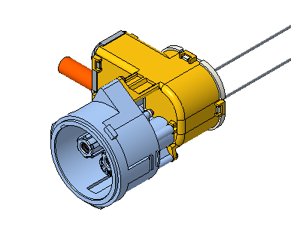 | - | - | - | - | - | - | SUB ASSY | NEW | - | - | - | -
 |  | ● |  |  | 1 | PSA_CHADEMO_IN_002 | CHADEMO_DC_INLET_MAIN_HSG | ● | - | 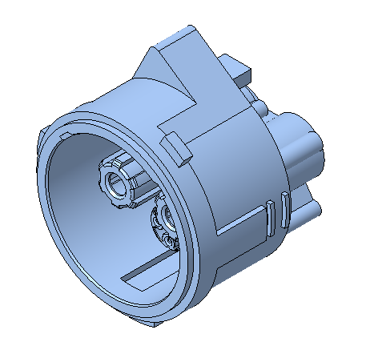 | PA6-GF30 | BLACK | 92 | 106 | 83.8 | 169 | MOLD | NEW | - | - | - | -
 |  | ● |  |  | 7 | PSA_CHADEMO_IN_003 | CHADEMO_AC_SIGNAL_PIN | ● | - |  | - | - | - | - | - | - | SUB ASSY | NEW | - | - | - | -
 |  |  | ● |  | 7 | PSA_CHADEMO_IN_004 | LI-320048-B | ● | - |  | C1100 | Ag | 5 | 5 | 21.7 | 1.3 | MACHINING | NEW | - | - | - | -
 |  |  | ● |  | 7 | PSA_CHADEMO_IN_005 | CHADEMO_INLET_AC_O_RING | ● | - |  | SILICONE | BLACK | 1.5 | 21.4 | 21.4 | 0.046 | RUBBER MOLD | C/O | - | - | - | -
 |  |  | ● |  | 7 | PSA_CHADEMO_IN_006 | LI-320048-A | ● | - |  | C2700BD | Ag | 5 | 5 | 10.8 | 0.9 | MACHINING | C/O | - | - | - | -
 |  |  | ● |  | 7 | PSA_CHADEMO_IN_007 | SPRING_CONTACT_MS_16_PILOT | ● | - |  | C1100 | Ag | 2.42 | 2.54 | 6 | 0.03 | MACHINING | C/O | - | - | - | -
 |  | ● |  |  | 9 | PSA_CHADEMO_IN_008 | SIGNAL_WIRE_SEAL_ASSY | ● | - |  | - | - | - | - | - | 0.19 | SUB ASSY | C/O | - | - | - | -
 |  |  | ● |  | 9 | PSA_CHADEMO_IN_009 | SIGNAL_WIRE_SEAL_MOLD | ● | - |  | PA6-GF30 | BLACK | 5 | 5 | 7.1 | 0.04 | MOLD | C/O | - | - | - | -
 |  |  | ● |  | 9 | PSA_CHADEMO_IN_010 | SIGNAL_WIRE_SEAL | ● | - |  | SILICONE | RED | 5.6 | 5.6 | 7.4 | 0.15 | RUBBER MOLD | C/O | - | - | - | -
 |  | ● |  |  | 2 | PSA_CHADEMO_IN_011 | PAD_SEAL_AC | ● | - | 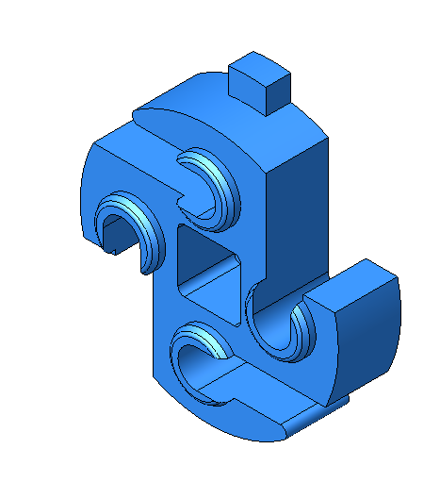 | PA6-GF25 | BLACK | 20.6 | 24.6 | 6.7 | 1.5 | MOLD | NEW | - | - | - | -
 |  | ● |  |  | 2 | PSA_CHADEMO_IN_012 | SIGNAL_HOLDER_CHADEM | ● | - | 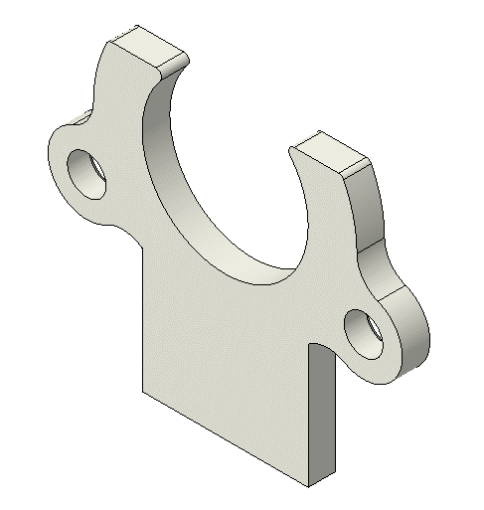 | PA6-GF25 | BLACK | 32 | 25.9 | 2.5 | 1.2 | MOLD | NEW | - | - | - | -
 |  | ● |  |  | 15 | 980043 | SCREW_M3_5X12 | ● | - |  | SWCH10A | - | Ø6 | Ø6 | 15 | 1.5 | PURCHASE | C/O | - | - | - | -
 |  | ● |  |  | 4 | PSA_CCS1_IN_029 | THERMISTOR_ROUND_1 | ● | - | 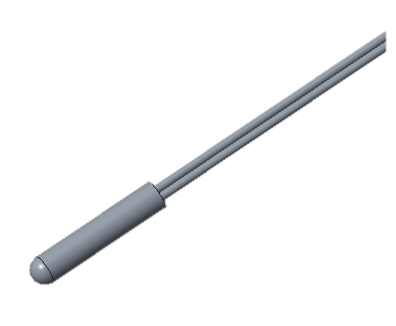 | - | - | - | - | - | - | PURCHASE | NEW | - | - | - | -
 |  | ● |  |  | 2 | PSA_CHADEMO_IN_013 | PSA_INLET_QUICK_CHARGE_ASSY | ● | - | 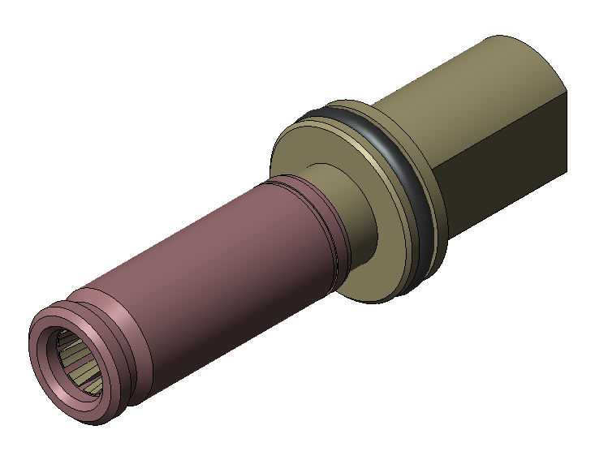 | - | - | - | - | - | - | SUB ASSY | NEW
 |  |  | ● |  | 2 | PSA_CHADEMO_IN_014 | DC_TERMINAL | ● | - | 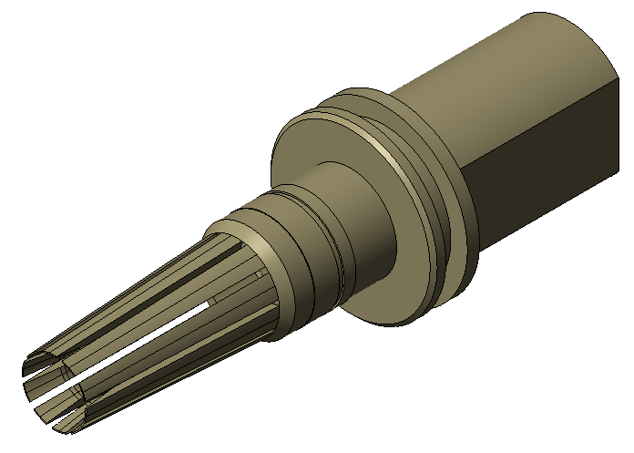 | C1100 | Ag | 21 | 21 | 65.18 | 62 | MACHINING | NEW | - | - | - | -
 |  |  | ● |  | 2 | PSA_CHADEMO_IN_015 | LI_320047_A | ● | - |  | C2700BD | Ag | 15 | 15 | 38.6 | 14.7 | MACHINING | NEW | - | - | - | -
 |  | ● |  |  | 1 | PSA_CHADEMO_IN_016 | DC_PROTECTOR_ASSY | ● | - |  | - | - | - | - | - | - | SUB ASSY | NEW | - | - | - | -
 |  |  | ● |  | 1 | PSA_CHADEMO_IN_017 | DC_PROTECTOR | ● | - | 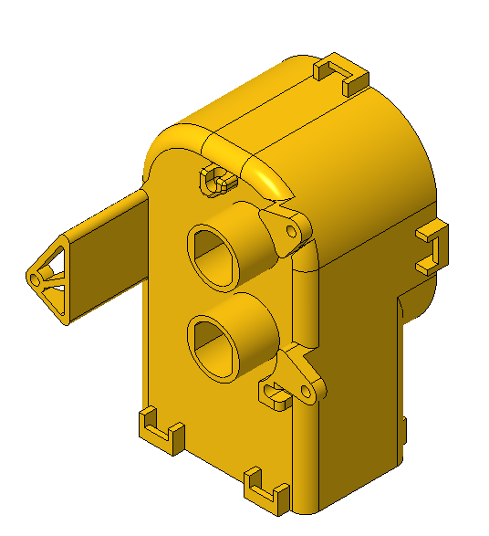 | PA6-GF25 | BLACK | 95 | 126.5 | 75 | 92 | MOLD | NEW | - | - | - | -
 |  |  | ● |  | 2 | PSA_CHADEMO_IN_018 | DC_TML_SEAL | ● | - |  | SILICONE | RED | 24.6 | 24.6 | 12.5 | 2.1 | RUBBER MOLD | NEW | - | - | - | -
 |  | ● |  |  | 1 | PSA_CHADEMO_IN_019 | DC_WIRE_ASSY | ● | - |  | - | - | - | - | - | - | SUB ASSY | NEW | -
 |  |  | ● |  | 2 | PSA_CHADEMO_IN_020 | DC_WIRE_HOLDER | ● | - |  | PA6-GF25 | BLACK | 15 | 72.7 | 46.4 | 11.2 | MOLD | NEW | - | - | - | -
 |  |  | ● |  | 1 | PSA_CHADEMO_IN_021 | DC_WIRE_SEAL_ASSY | ● | - |  | ASSY | - | - | - | - | - | SUB ASSY | NEW | - | - | - | -
 |  |  |  | ● | 1 | PSA_CHADEMO_IN_022 | DC_BASE_WIRE_SEAL | ● | - |  | PA6-GF25 | BLACK | 44.1 | 68.8 | 35.8 | 13 | MOLD | NEW | - | - | - | -
 |  |  |  | ● | 1 | PSA_CHADEMO_IN_023 | DC_WIRE_SEAL | ● | - |  | SILICONE | RED | 6.5 | 70.2 | 38 | 8.1 | RUBBER MOLD | NEW | - | - | - | -
 |  |  | ● |  | 1 | PSA_CHADEMO_IN_024 | DC_WIRE_BUSBAR_MINUS_ASSY | ● | - |  | - | - | - | - | - | - | SUB ASSY | NEW | - | - | - | -
 |  |  | ● |  | 1 | PSA_CHADEMO_IN_025 | DC_WIRE_BUSBAR_PLUS_ASSY | ● | - |  | - | - | - | - | - | - | SUB ASSY | NEW | - | - | - | -
 |  |  |  | ● | 2 | PSA_CHADEMO_IN_026 | DC_BUSBAR | ● | - |  | C1100 | - | 50 | 8.1 | 30 | 9.5 | MACHINING | NEW | - | - | - | -
 |  | ● |  |  | 2 | PSA_061 | BOLT | ● | - |  | - | - | 20 | 20 | 30.3 | - | PURCHASE | C/O | - | - | - | -
 |  | ● |  |  | 1 | PSA_CHADEMO_IN_027 | REAR_SEAL_CAP_ASSY | ● | - |  | - | - | - | - | - | - | SUB ASSY | NEW | - | - | - | -
 |  |  | ● |  | 1 | PSA_CHADEMO_IN_028 | REAR_CAP | ● | - |  | PA6-GF25 | BLACK | 71.6 | 80.8 | 49 | 33 | MOLD | NEW | - | - | - | -
 |  |  | ● |  | 1 | PSA_CHADEMO_IN_029 | REAR_SEAL | ● | - |  | SILICONE | RED | 63 | 72 | 5 | 3.9 | RUBBER MOLD | NEW | - | - | - | -
 |  | ● |  |  | 2 | PSA_CHADEMO_IN_030 | CHADEMO_FRONT_SIGN_SEAL | ● | - |  | SILICONE | RED | 31.1 | 23.8 | 25.8 | 1 | RUBBER MOLD | C/O | - | - | - | -
 |  | ● |  |  | 2 | PSA_CHADEMO_IN_031 | CHADEMO_FRONT_DC_SEAL | ● | - |  | SILICONE | RED | 29.8 | 25.7 | 24.1 | 1.3 | RUBBER MOLD | C/O | - | - | - | -
 | ● |  |  |  | 1 | PSA_5P_INLET_002 | INLET_HSG_5P_ASSY | ● | - |  | - | - | - | - | - | - | SUB ASSY | NEW | - | - | - | -
 |  | ● |  |  | 1 | PSA_5P_INLET_003 | INLET_MAIN_HSG | ● | - | 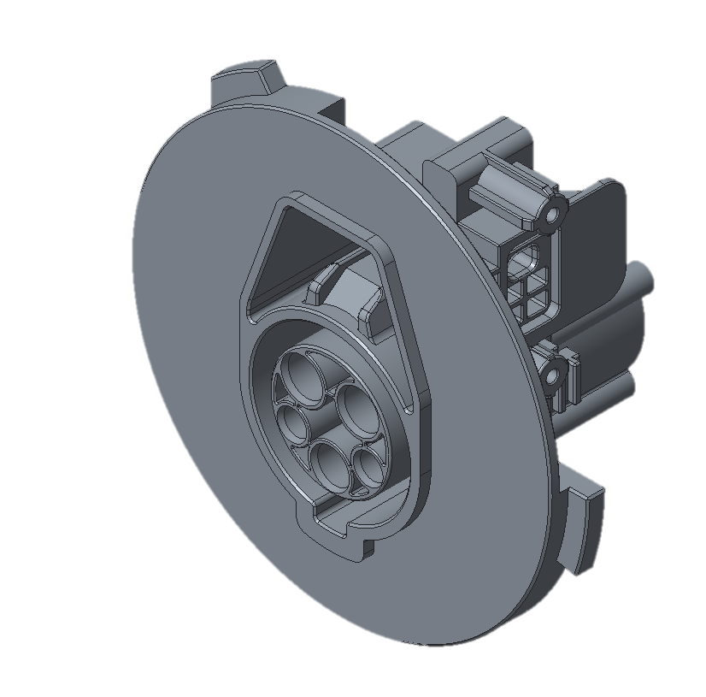 | PA6-GF30 | BLACK | 123.7 | 117 | 68 | 155 | MOLD | NEW | - | - | - | -
 |  | ● |  |  | 1 | PSA_CCS1_IN_013 | INLET_HSG_PAD_SEAL | ● | - | 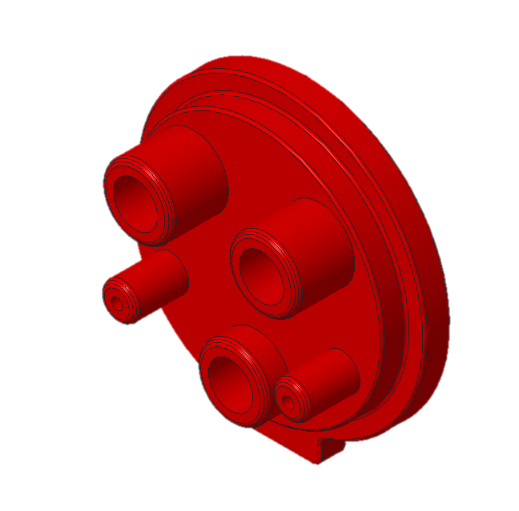 | SILICONE | RED | 36 | 38.5 | 13.5 | 6.9 | RUBBER MOLD | NEW | - | - | - | -
 |  | ● |  |  | 1 | PSA_CCS1_IN_015 | INLET_TML_BLOCK | ● | - | 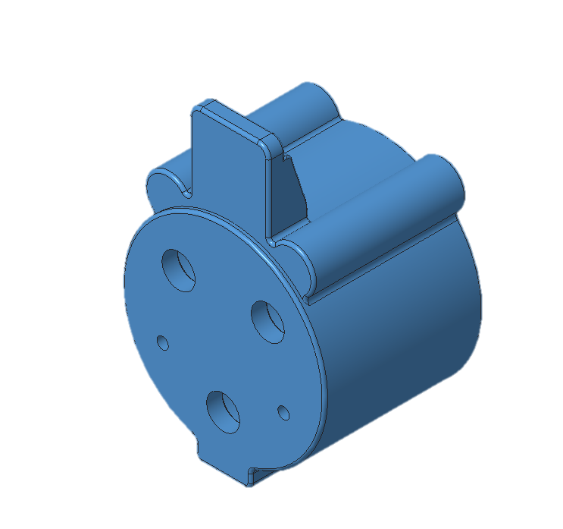 | PA6-GF30 | BLACK | 35.8 | 52.8 | 28 | 22.5 | MOLD | NEW | - | - | - | -
 |  | ● |  |  | 1 | PSA_CCS1_IN_016 | CCS1_INLET_EARTH_TML_ASSY | ● | - |  | - | - | - | - | - | 6.92 | SUB ASSY | NEW | - | - | - | -
 |  |  | ● |  | 1 | PSA_CCS1_IN_017 | CCS1_INLET_EARTH_TML | ● | - |  | C1100 | Ag | 11.4 | 11.4 | 46.1 | 6.9 | MACHINING | NEW | - | - | - | -
 |  |  | ● |  | 1 | PSA_CCS1_IN_018 | CCS1_INLET_EARTH_TML_CAP | ● | - |  | PBT-GF30 | BLACK | 2.8 | 2.8 | 2.6 | 0.02 | MOLD | C/O | - | - | - | -
 |  | ● |  |  | 2 | PSA_CCS1_IN_019 | CCS1_AC_CHARGE_TML | ● | - |  | - | - | - | - | - | 7.23 | SUB ASSY | NEW | - | - | - | -
 |  |  | ● |  | 2 | PSA_CCS1_IN_020 | CCS1_AC_CHARGE_TML | ● | - |  | C1100 | Ag Plating | 11.3 | 11.3 | 46.3 | 7.2 | MACHINING | NEW | - | - | - | -
 |  |  | ● |  | 2 | PSA_CCS1_IN_021 | CCS1_AC_CHARGE_TML_CAP | ● | - |  | PBT-GF30 | BLACK | 3.6 | 3.6 | 3 | 0.03 | MOLD | C/O | - | - | - | -
 |  | ● |  |  | 2 | PSA_CCS1_IN_022 | CCS1_INLET_AC_SIGNAL | ● | - |  | C1100 | Ag Plating | 5 | 5 | 41.4 | 1.45 | MACHINING | NEW | - | - | - | -
 |  | ● |  |  | 3 | PSA_CCS1_IN_023 | TML_CHARGE_WIRE_SEAL_ASSY | ● | - |  | - | - | - | - | - | 1.4 | SUB ASSY | NEW | - | - | - | -
 |  |  | ● |  | 3 | PSA_CCS1_IN_024 | TML_CHARGE_WIRE_SEAL_MOLD | ● | - |  | PBT-GF30 | BLACK | 10 | 10 | 21.15 | 0.8 | MOLD | NEW | - | - | - | -
 |  |  | ● |  | 3 | PSA_CCS1_IN_025 | TML_CHARGE_WIRE_SEAL | ● | - |  | SILICONE | RED | 13.1 | 13.1 | 6.25 | 0.6 | RUBBER MOLD | NEW | - | - | - | -
 |  | ● |  |  | 1 | PSA_CCS1_IN_030 | AC_REAR_HOLDER | ● | - | 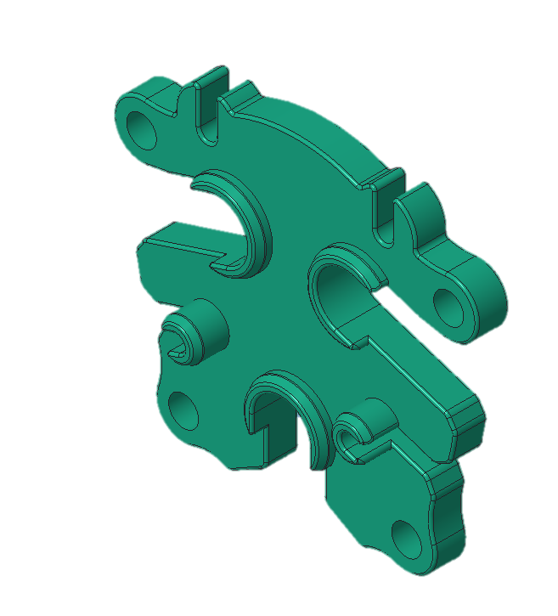 | PA6-GF30 | BLACK | 45.2 | 41.1 | 15.8 | 5.9 | MOLD | NEW | - | - | - | -
 |  | ● |  |  | 1 | PSA_5P_INLET_004 | INLET_5P_PROTECTOR_LEFT | ● | - |  | PBT-GF15 | ORANGE | 52.2 | 78.8 | 94.3 | 29.7 | MOLD | NEW | - | - | - | -
 |  | ● |  |  | 1 | PSA_5P_INLET_005 | INLET_5P_PROTECTOR_RIGHT | ● | - |  | PBT-GF15 | ORANGE | 35.2 | 78.8 | 94.3 | 24.7 | MOLD | NEW | - | - | - | -
 |  | ● |  |  | 1 | PSA_CCS1_IN_034 | AC_INLET_EMERGENC | ● | - |  | PBT | BLACK | 26.9 | 7.5 | 23.3 | 2.5 | MOLD | C/O | - | - | - | -
 |  | ● |  |  | 1 | DH100-B0002 | INLET_CCST1_ACTUATOR_ASSY | ● | - | 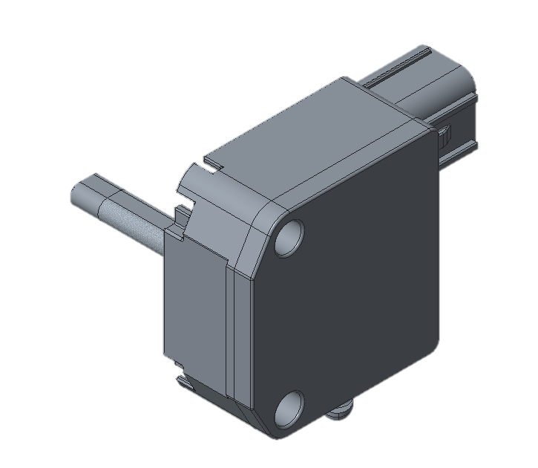 | - | - | - | - | - | 62.3 | PURCHASE | NEW | - | - | - | -
 | ● |  |  |  | 1 | PSA_002 | BRACKET_SUB_ASSY | ● | - | 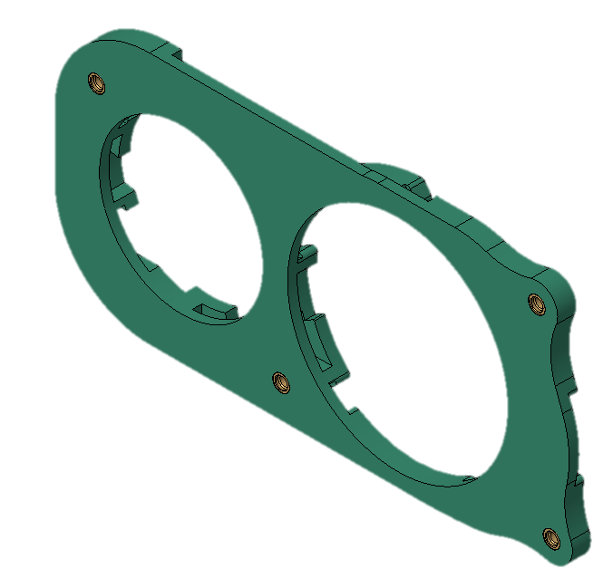 | PA6-GF30 | BLACK | 274.6 | 134.7 | 16 | 183.95 | MOLD | NEW | - | - | - | -
 |  | ● |  |  | 4 | PSA_CCS1_IN_039 | NUT_1 | ● | - | 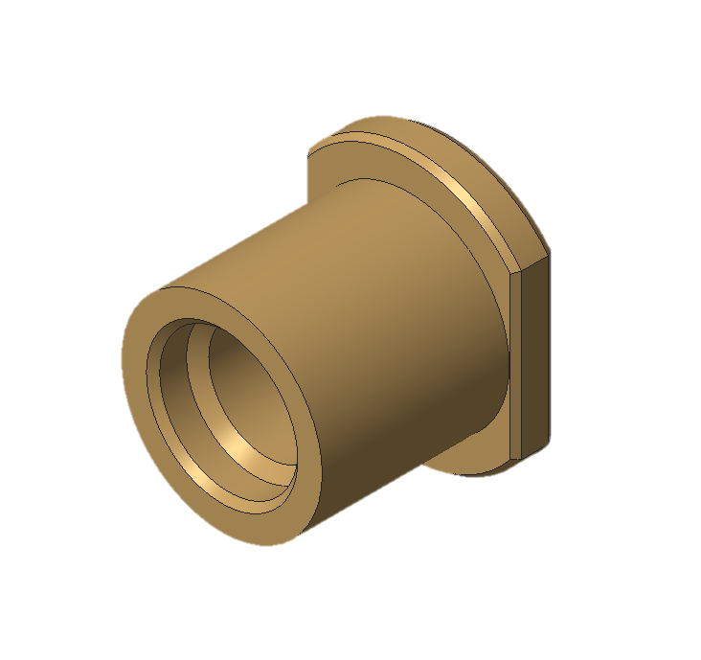 | SWCH10A | - | 9.5 | 12 | 10.2 | 3.7 | PURCHASE | NEW | - | - | - | -
 | ● |  |  |  | 3 | PSA_032 | HOUSING_LOCKING | ● | - |  | PA6-GF30 | BLACK | 58.5 | 23.5 | 13.5 | 4.9 | MOLD | NEW | - | - | - | -
 | ● |  |  |  | 1 | PSA_5P_INLET_010 | AC_5P_CAP | ● | - | 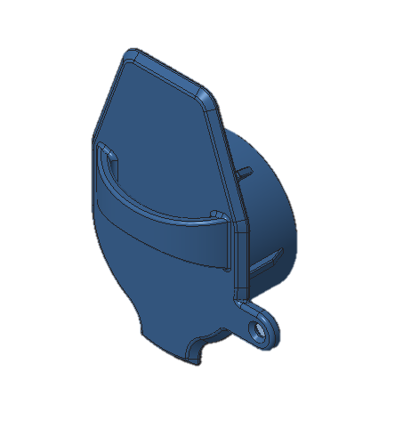 | TPE (LG KEYFLEX BT 1055D) | BLACK | 60.2 | 79.8 | 32.6 | 22 | MOLD | NEW | - | - | - | -
 | ● |  |  |  | 1 | PSA_CHADEMO_IN_032 | CHADEMO_CAP | ● | - |  | TPE (LG KEYFLEX BT 1055D) | BLACK | 82 | 31.3 | 90 | 32 | MOLD | NEW | - | - | - | -
 | ● |  |  |  | 2 | PSA_068 | HOUSING_LOCKING_1 | ● | - | 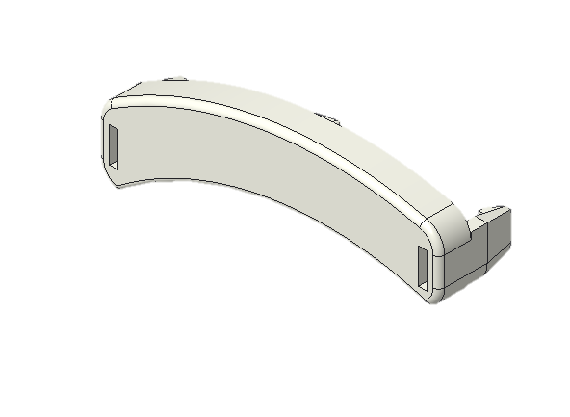 | PA6-GF30 | BLACK | 43.89 | 19.66 | 13.4 | 3.53 | MOLD | NEW | - | - | - | -

